Instructions
ONE TIME FUNDING APPLICATION: INSTRUCTIONS FOR COMPLETION

The purpose of these instructions is to support licensees in completing their One Time Funding application. If you have any
questions related to your application please contact:

Sheri-Lynn Collyer, Child Care Coordinator
csfunding@hastingscounty.com
(613) 966-1311 extension 2319

One Time Funding applications must be submitted by email to csfunding@hastingscounty.com

The Child Care and Early Years Act recognizes’ Consolidated Municipal Service Managers (CMSMs) as the service
system managers for childcare and early years system. One of the tools that CMSMs have to support the licensed child
care system is special purpose funding. The purpose of the funding is to help stabilize parent fees, mitigate child care
centre closures and support existing subsidized spaces so that parents have child care they can count on and increase
quality and accountability in licensed child care settings.

You may complete a request for all categories that are applicable to your program(s).

Step by Step Instructions:

You are only required to enter data in the white cells. All other calculations will be performed automatically.

STEP 1: Complete the Cover Page
Please complete the cover page with your agency contact information.
Please ensure to select Yes or NO, for the question "Do you receive an HST rebate"

Enter the HST Rebate applicable based on your HST remittance calculations, in decimal form.
For all Non Profit organizations, the rate is 0.697
This amount is pre-populated for the Non-Profit rebate. Update if required to agree to your organizations' rebate, as applicable.

All funding will be calculated automatically on the cover page once you have completed your application.
The certification/attestation will need to be completed before you submit your application. Refer to STEP 3.

STEP 2: Selecting a Category
For each category select that worksheet and read the guidelines and criteria prior to completing the application to ensure
your request fits the criteria.
Please review Appendix A regarding requirements for quotes.

Note: Both Appendix A and the Guidelines can be found by clicking on the appropriate cell on each worksheet.
Complete the columns in the worksheet.
There are pop up reminders on some of the columns to assist .
For example, Total Cost - reminder that this should include HST, Shipping, etc.

EXAMPLE

In the HST Column, include the total HST for each item/invoice.
The HST rebate will automatically be calculated, and the amount eligible will be automatically calculated.

Note: Please list your items in order of priority, in the event not all requests can be supported.

The application form contains several rows to allow you to enter data. Please see instructions below on how to only show
the rows where data has been entered for ease of viewing and/or printing.

Prior to submitting your application form, please go to the cell that contains the blue "Filter" button. Click on the symbol
to the right of the "Filter" button. This gives you the ability to only show the rows that contain information.
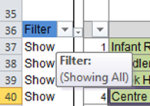

Please ensure that only the "Show" option contains a check mark. You can remove the other checkmark
by left clicking on the box beside "hide".
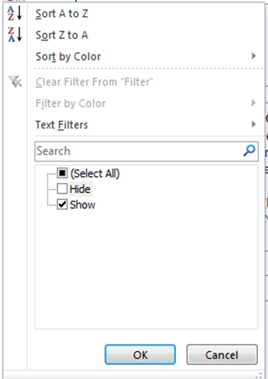

STEP 3: Submitting your Application
After the application has been completed, please complete the certification/attestation section on the coverage.
Please submit a copy along with all required documentation, including quotes, receipts etc…
All invoices, quotes and other documentation may be scanned and sent electronically, avoiding the need to print.

Submit the electronic submission and/or hard copy if preferred.

The information that you have provided will be reviewed by The County of Hastings Children's Services

